Goal Seek
GOAL SEEK
STEP 1: Select the cell that you want to achieve your goal of $200,000 which is the Total Net Profit in cell F7, which is a Sum formula (Important: This cell must be a formula for the Goal Seek to work)

 | Q1 | Q2 | Q3 | Q4 | TOTAL
REVENUE | 256,000 | 325,600 | 241,000 |  | 822,600
PROFIT MARGIN | 12% | 14% | 15% | 20%
NET PROFIT | 30,720 | 45,584 | 36,150 | 0 | 112,454

STEP 2: Go to Data > What If Analysis > Goal Seek |  |  |  | 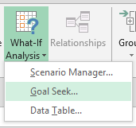

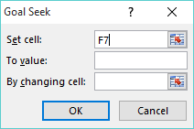
STEP 3: SET CELL: This is the cell that contains the goal we want to achieve, F7, and is selected automatically

STEP 4: TO VALUE: Type the goal value that you want to achieve. In our example, it will be 200,000
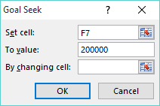

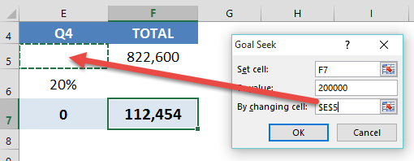
STEP 5: BY CHANGING CELL: Enter the reference for the cell that contains the input value that you want to adjust. In our example it is the Q4 Sales forecast in cell E5

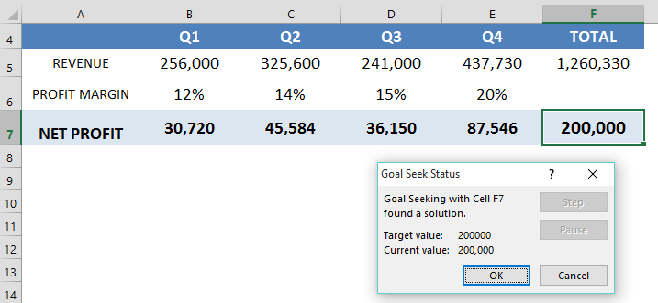
STEP 6: Press OK and Goal Seek will run and produce a result. Press OK to keep the results or Cancel to discard

With Goal Seek we need to achieve Q4 Sales of $437,730 in order to achieve our Net Profit goal of $200,000. Over to the Sales team then to make it happen!

